Current GPIO Pins - Robohat
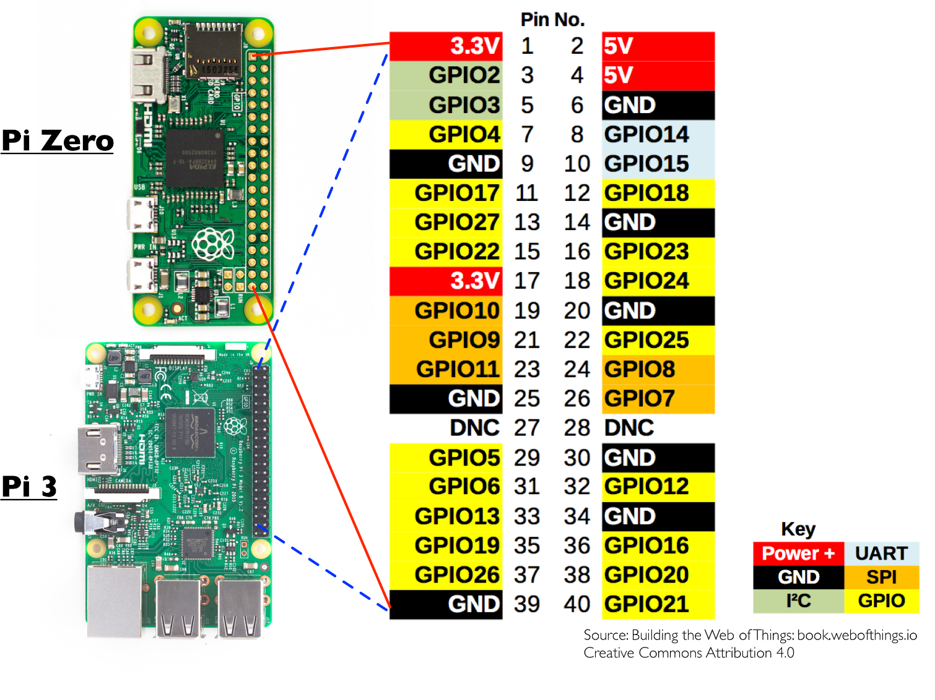
 | Pin No.
 | 1 | 2
 | 3 | 4
 | 5 | 6
Not on Robohat | 7 | 8
 | 9 | 10
Not on Robohat | 11 | 12 | Sonar Left
Free Input on GPIO | 13 | 14
Sonar Left | 15 | 16 | Sonar Right
 | 17 | 18 | Servo
 | 19 | 20
 | 21 | 22 | Servo
 | 23 | 24
 | 25 | 26
 | 27 | 28
Not on Robohat | 29 | 30
Sonar Right | 31 | 32 | Right Motor
Right Motor | 33 | 34
Left Motor | 35 | 36 | Left Motor
Not on Robohat | 37 | 38 | Sonar Front
 | 39 | 40 | Not on Robohat

